Introduction
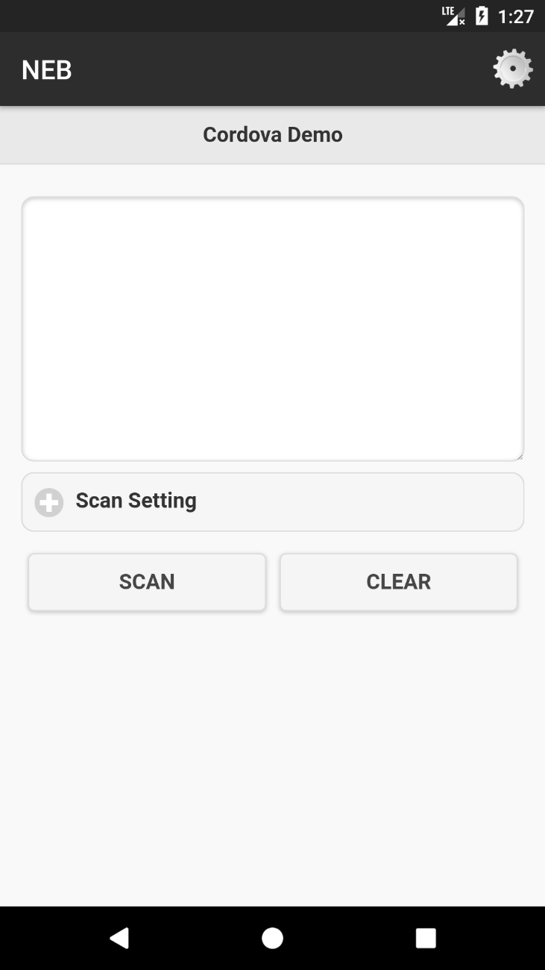
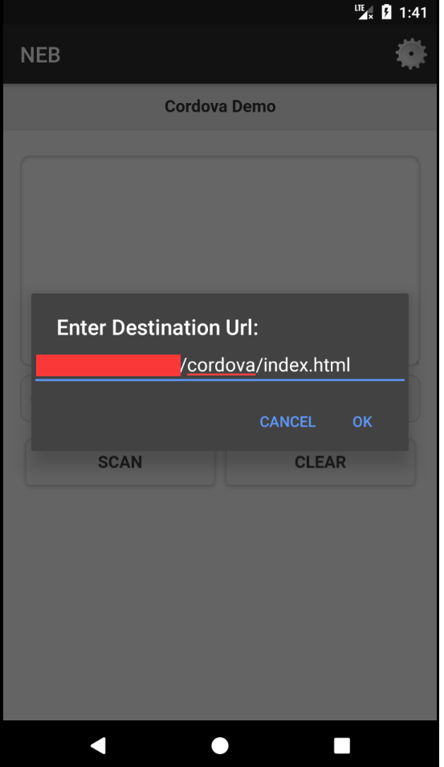
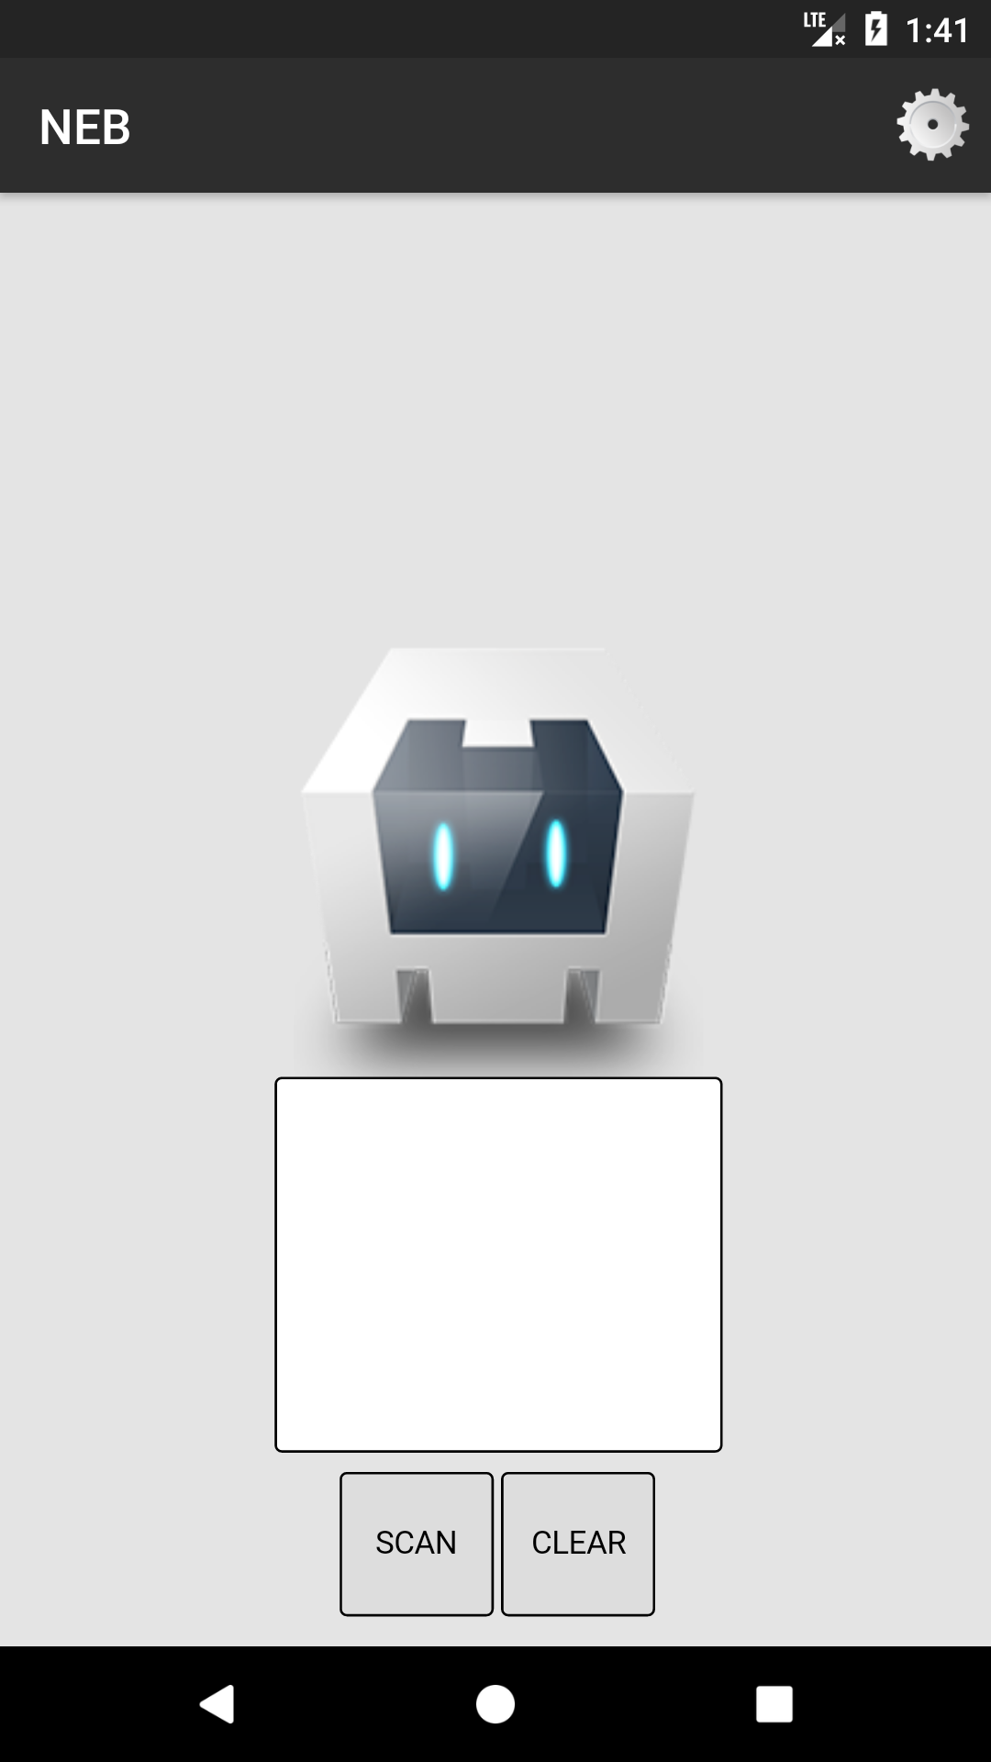
NEB is an acronym for NewLand Enterprise Browser and is still under development, so it is an unfinished demo code.
NEB is based on the open source framework Cordova, so you can find what you need information on the official Cordova website (http://cordova.apache.org/).
Currently NEB can achieve the function:
①After starting the application it can load the specified url html file.
②Loading html By calling the js interface provided by NEB, you can use some of the features of the pda including the scan code
Notice：
①The server directory where the html file was accessed must be copied from the generated Cordova project.
②Please set PDA's scan mode to API output mode. KBW and direct output is not supported at this time.

The following is a simple introduction to use

1 | Unzip the code NlScanCordova.zip and import it into Android Studio。
 | please select "NlScanCordova \ platforms \ android \ build.gradle" file to import the project
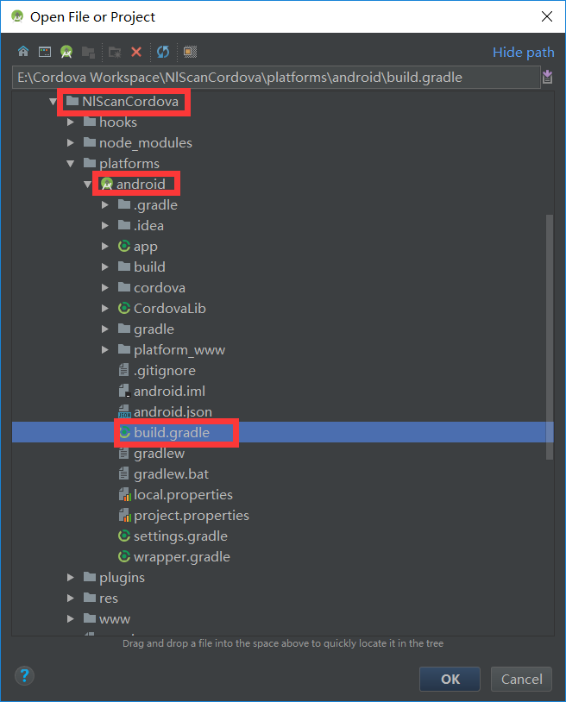

2 | After the project is imported into Android Studio, you can see a www folder under the path "NlScanCordova \ platforms \ android \ app \ src \ main \ assets"
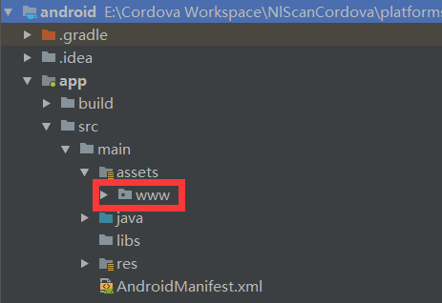

3 | Copy the www folder to the server.
 | Here I am copied to the xampp (apache) server's htdocs directory, and renamed it to NEBTest.
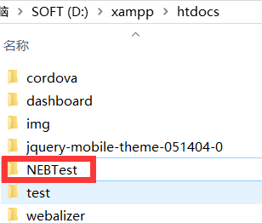

4 | Open the "NlScanCordova \ platforms \ android \ app \ src \ main \ res \ xml \ config.xml" file in Android Studio，
 | Modify the following URL for your specified url
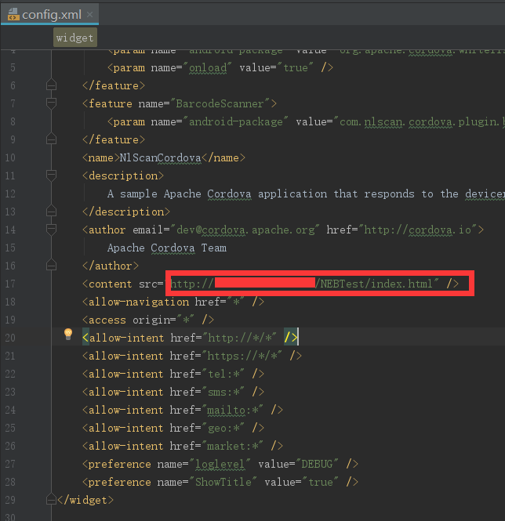

5 | Start the simulator

6 | You can see that NEB is start up and running, loaded with the URL on the server. Want to experience the actual effect, please test on Newland's PDA.
 | You can access the other specified URLs via the Settings button in the upper right corner.

